Sheet1
https://5nezl.ksit.me/contact-2 |  | http://localhost:3000/example_firestorm_badge

 |  | chepno nickel pantheonic

 |  | pantheonic_chepno_table

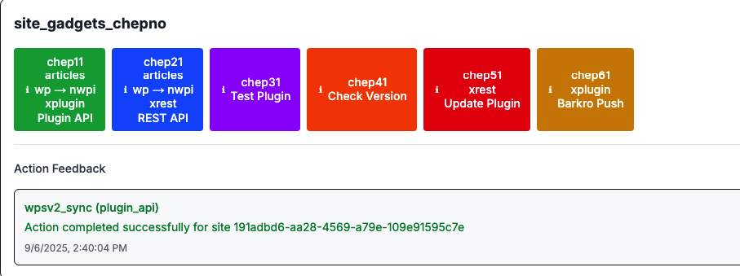

 |  | snefuruplin connection stuff

 |  | Function Name (ID) | Description & DB Tables | Connection Type | fff
 |  | chep11 - Plugin API | Calls WordPress site via Plugin API endpoint /wp-json/snefuru/v1/posts. Syncs WordPress posts/pages to nwpi_posts table. Updates ywp_sites.last_sync_at timestamp. | Plugin API (Snefuru WordPress plugin) | fff
 |  | chep21 - REST API | Calls WordPress site via standard REST API /wp-json/wp/v2/posts. Syncs WordPress posts/pages to nwpi_posts table. Updates ywp_sites.last_sync_at timestamp. | WordPress REST API | fff
 |  | chep31 - Test Plugin | Tests plugin connectivity by checking: 1) WordPress REST API availability, 2) Snefuru plugin status endpoint, 3) Plugin posts endpoint. No database writes, only reads from ywp_sites. | Plugin API (Snefuru WordPress plugin) | fff
 |  | chep41 - Check Version | Checks current plugin version installed on WordPress site via plugin API endpoint. Reads from barkro_plugin_versions table to compare versions. | Plugin API (Snefuru WordPress plugin) | fff
 |  | chep51 - Update Plugin | Updates the Snefuru plugin on WordPress site. Writes to barkro_update_pushes and barkro_site_status tables to track update attempts and status. | Plugin API (Snefuru WordPress plugin) | fff
 |  | chep61 - Barkro Push | Pushes plugin updates from local snefuruplin directory to WordPress site. Creates ZIP file and sends via /wp-json/snefuru/v1/check-update. Updates barkro_update_pushes, barkro_plugin_versions, and barkro_site_status tables. | Plugin API (Snefuru WordPress plugin) | fff
 |  | wpsv2_sync (Plugin API) | Extended sync operation that syncs WordPress content to database via Plugin API. Articles flow: wp → nwpi. Updates nwpi_posts and ywp_sites tables. | Plugin API (Snefuru WordPress plugin) | fff
 |  | wpsv2_sync (REST API) | Extended sync operation that syncs WordPress content to database via REST API. Articles flow: wp → nwpi. Updates nwpi_posts and ywp_sites tables. | WordPress REST API | fff

 |  | from nwpi page:

 |  | Functions
 |  | f22_nwpi_to_gcon_pusher

 |  | f47_generate_gcon_pieces

 |  | SOPTION1 selected: 165 item(s) will be processed

 |  | pleaes change the 2 new blue rows we added to now say this in their first column:

 |  | chep15 - f22_nwpi_to_gcon_pusher
 |  | chep 16 - f47_generate_gcon_pieces

 |  | then analyze the popup at the /nwjar page and research these existing functions f22 and f47

 |  | then add a description etc to the ui table in the nickel chamber about these functions

 |  | next, please add a checkbox to be the far left column of the ui table in the nickel chamber so user can select a row

 |  | 1. Authentication Flow:

 |  | User → Next.js App → Supabase Auth → users.ruplin_api_key_1
 |  | ↓
 |  | WordPress Site → Snefuru Plugin → Validates
 |  | API Key

 |  | need new db column in sitespren
 |  | sitespren.site_specific_ruplin_api_key

 |  | please create sql that i can run in supabase to do the following

 |  | create these new db fields in existing db table sitespren
 |  | ruplin_api_key_site_specific
 |  | harbor_api_key_site_specific
 |  | klyra_api_key_site_specific

 |  | they will store our own custom api keys for new system

 |  | vez_user_accounts.id

 |  | users.fk_imgplanbatch_id
 |  | vez_user_accounts.fk_imgplanbatch_id
 |  | vez_user_accounts.vez_fk_imgslategroup_id

 |  | karma_wizard_sessions

 |  | please create sql that i can run in supabase to do the following
 |  | in existing db table
 |  | users
 |  | create new db columns:

 |  |  | harbor_api_key | harbor_api_key_account_level
 |  |  | klyra_api_key | klyra_api_key_account_level

 |  | text

 |  | ———————————————————————

 |  | new interface for user testing plugins and sites

 | site | 5nezl.ksit.me

 |  | klyra_api_key
 |  | harbor_api_key

 |  | harbor_api_key_site_specific

 |  | brimora_api_key
 |  | brimora_api_key_site_specific

 |  | important page urls in our app

 | https://chatgpt.com/c/68beeb3f-19e8-832f-927a-d85ac690cf88 | https://chatgpt.com/c/68beeb3f-19e8-832f-927a-d85ac690cf88 | ff
 | http://localhost:3000/sitejar4?is_external=show | http://localhost:3000/sitejar4?is_external=show | ff
 | http://localhost:3000/karmawiz?step=1 | http://localhost:3000/karmawiz?step=1 | ff
 | http://localhost:3000/karmajar | http://localhost:3000/karmajar | ff
 | http://localhost:3000/bin34/tebnar2?batchid=68283949-407c-4477-bf07-26345c022745 | http://localhost:3000/bin34/tebnar2?batchid=68283949-407c-4477-bf07-26345c022745 | ff
 | https://supabase.com/dashboard/project/jerylujyofmmjukwlwvn/editor/17256?schema=public | https://supabase.com/dashboard/project/jerylujyofmmjukwlwvn/editor/17256?schema=public | ff
 | http://localhost:3000/sitejar4?is_external=show | http://localhost:3000/sitejar4?is_external=show | ff
 | http://localhost:3000/nwjar1?coltemp=option1&sitebase=6bev.ksit.me&fpop=open&ptab1=active | http://localhost:3000/nwjar1?coltemp=option1&sitebase=6bev.ksit.me&fpop=open&ptab1=active | ff
 | http://localhost:3000/gconjar1?sitebase=6bev.ksit.me&coltemp=option1 | http://localhost:3000/gconjar1?sitebase=6bev.ksit.me&coltemp=option1 | ff
 | http://localhost:3000/sitejar4?is_external=show | http://localhost:3000/sitejar4?is_external=show | ff
 | http://localhost:3000/bin42/narpo1 | http://localhost:3000/bin42/narpo1 | ff
 | https://6bev.ksit.me/wp-admin/upload.php | https://6bev.ksit.me/wp-admin/upload.php | ff
 | https://6bev.ksit.me/individual-service-page-1/ | https://6bev.ksit.me/individual-service-page-1/ | ff

 |  | possibly remove regolith whatsoever as being central
 |  | in new boulder function

 |  | https://www.youtube.com/watch?v=1iaFhLCfOjc
 |  | https://www.youtube.com/watch?v=rAjcXxYTrv4

 |  | https://www.youtube.com/watch?v=5PknSpk3m1w

